Sheet1
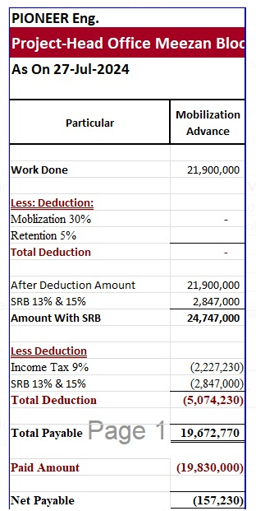
Bill Summary for the project Meezan Bank |  |  |  |  |  |  |  | MOBILIZATION ADVANCE |  | RETENTION AMOUNT
Contract Amount |  |  |  |  | 55,163,506 |  |  |  |  | DEDUCTION IN IPC 2 | 791,574
Mobilizatin adv 20% |  |  |  |  | 21,900,000 | Contract Amount | 78,840,000 | Mob advance 30% | 21,900,000 | DEDUCTION IN adhoc in IPC 3 | 884,131
 |  |  |  |  |  | Verified (IPC-1 | 33,514,110 |  |  | DEDUCTION IN IPC 2
 |  | IPC-01 | IPC-02 | IPC-03 |  | LESS Tax 7.5% | 2,513,558
RUNNING BILL NO 1 |  | 15,831,488 | 17,682,622 |  | 33,514,110 | Remaining | 31,000,552 |  |  | TOTAL RECEIVABLE | 1,675,705
 |  |  |  |  |  | LESS Mob 20% | 6,200,110 | Received | 19,672,770
Less Tax |  |  |  |  | - | LESS Retention 5% | 1,550,028
 |  |  |  |  |  | Remaining | 23,250,414 | Remaining
Balance Payable |  | 15,831,488 | 17,682,622 |  | 33,514,110

Less Mobilization | 30% | 4,749,446 | 5,304,787 |  | 10,054,233 |  |  | DEDUCTION
Less Retention | 5% | 791,574 | 884,131 |  | 1,675,706 |  |  | DEDUCTION IN IPC 2 | 4,749,466
Payable Amount |  | 10,290,467 | 11,493,704 |  | 21,784,172 |  |  | DEDUCTION IN adhoc in IPC 3 | 5,304,787
 |  |  |  |  |  |  |  | DEDUCTION IN adhoc in IPC 3
Add SRB | 13% | 1,337,761 | 1,724,056 |  | 3,061,816
Grand total |  | 11,628,228 | 13,217,760 |  | 24,845,988 |  |  | TOTAL | 10,054,253
 |  |  |  |  |  |  |  | Mob Payable | 9,618,517
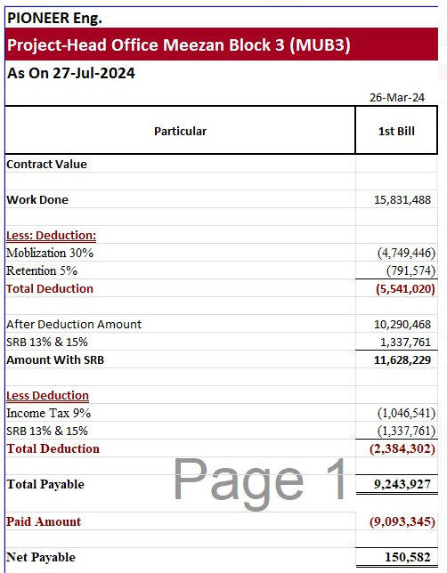
Less income tax | 9% | 1,046,541 | 1,189,598 |  | 2,236,139
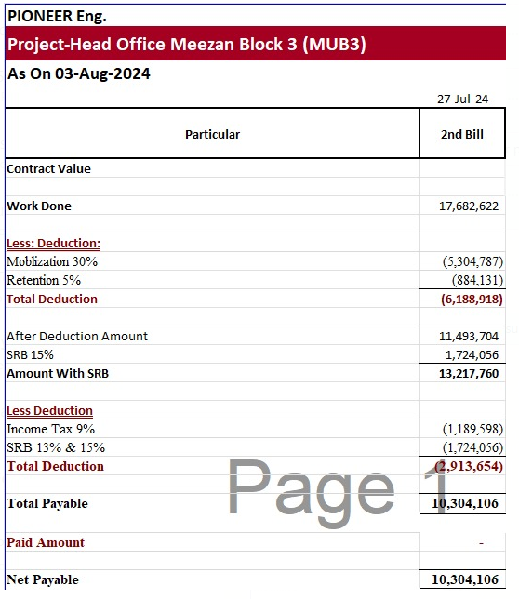
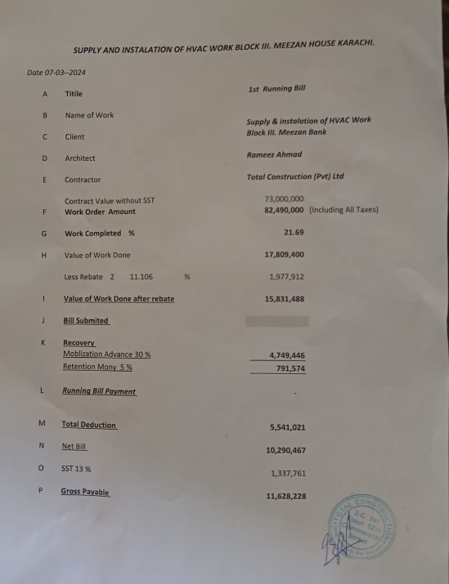
Less SRB | 13% | 1,337,761 | 1,724,056 |  | 3,061,817
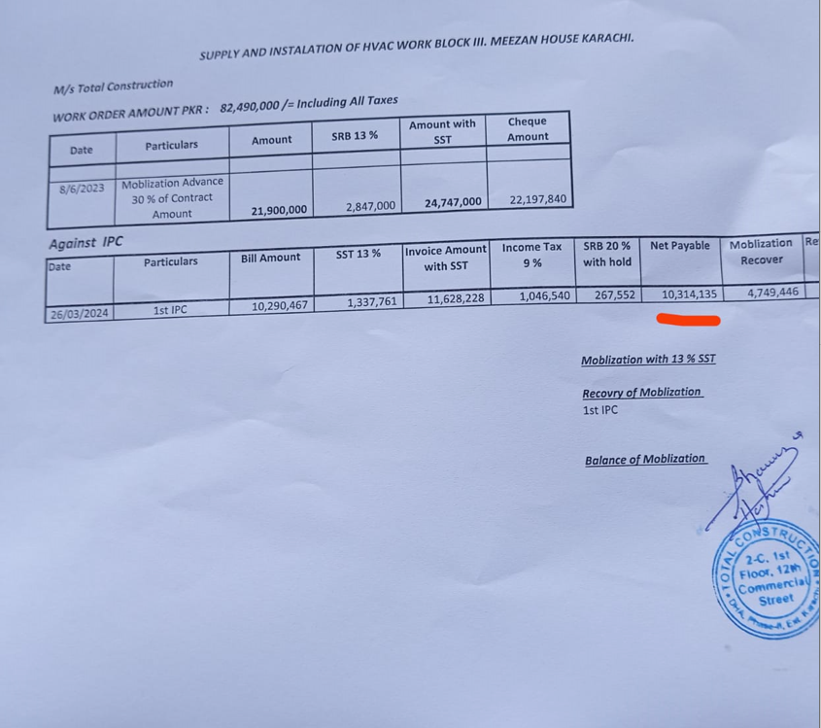
Grand total |  | 9,243,926 | 10,304,106 |  | 19,548,032

Already received |  | 9,093,345 | 10,414,071 |  | 19,507,416

Net Payable |  | 150,581 | (109,965) |  | 40,616

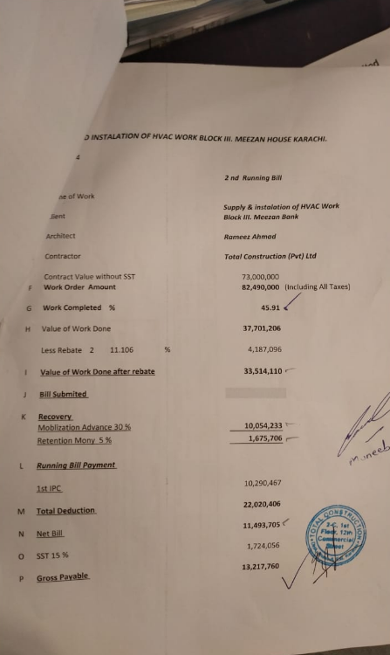

 |  |  |  |  |  | 15,831,488

 |  |  |  |  |  | 4,749,446
 |  |  |  |  |  | 791,574

 |  |  |  |  |  | 10,290,467

 |  |  |  |  |  | 1,337,761

 |  |  |  |  | 17,682,622 | 11,628,228

 |  |  |  |  | 5,304,787 | 1,046,541
 |  |  |  |  | 884,131
 |  |  |  |  |  | 1,337,761
 |  |  |  |  | 11,493,704
 |  |  |  |  |  | 9,243,927
 |  |  |  |  | 1,724,056

 |  |  |  |  | 13,217,760

 |  |  |  |  | 1,189,598

 |  |  |  |  | 1,724,056

 |  |  |  |  | 10,304,106

IPC 4
